Coversheet
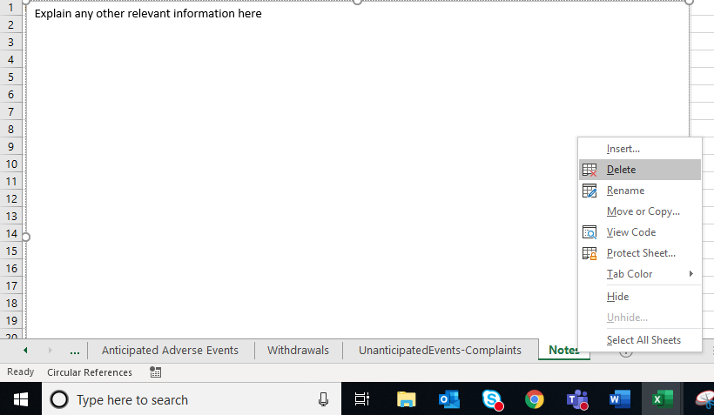
Continuing Review Report
Please use this workbook to address all unchecked items in Question 6 of the eIRB submission. These items require an explanation or more information before the IRB can continue processing your continuing review submission. You can use the tabs at the bottom of this workbook to address all items in one attachment.
Please delete any worksheets that don't apply by right clicking the worksheet tab and clicking delete.

Notes
Explain any other relevant information here
Explain any other information here

